Introduction
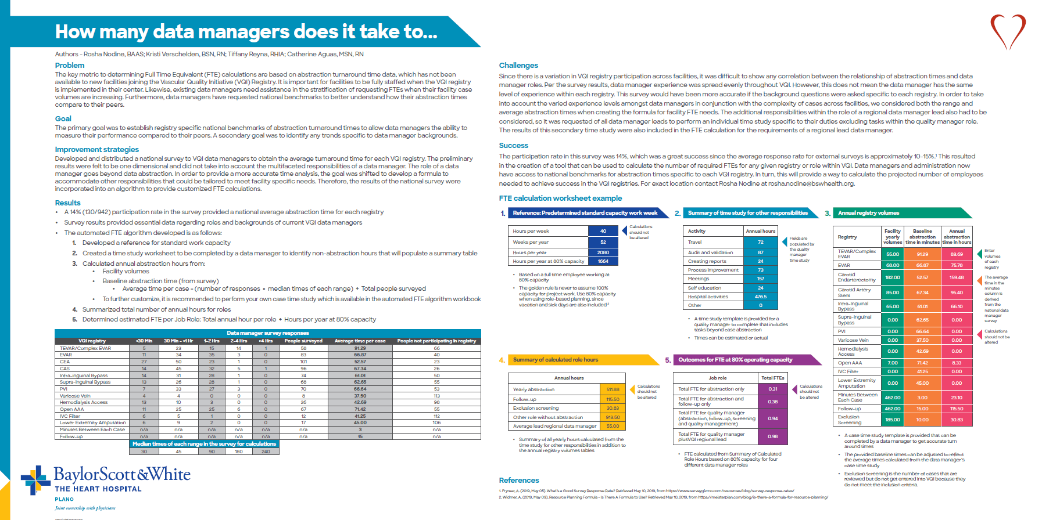

How Many Data Managers Does it Take to...
Electronic FTE Algorithm
Introduction
This workbook contains tools designed to help calculate the number of FTEs needed for the following specific roles: Data Abstractor, Quality Manager and Regional Lead

Keep In Mind…
This algorithm is a template only and may need to be adjusted based on your facility needs
The numbers below reflect an average from several centers. This average does not take into account the case complexity for each center, experience and/or background of the data abstractor, involvement of other departments and/or facility volumes

